16.07.2026
Kép | Modell | Név | Szortiment | Stock | NK ár | Akciós NK ár | SRP
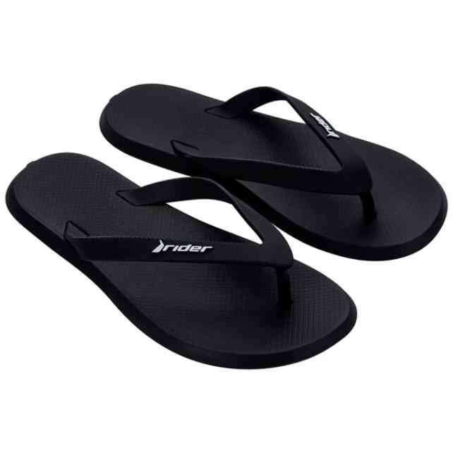 | 11650-20766W | RIDER R1 SPEED AD | 1-1-1-1-1-1 | 6 | 3,329 Ft | 2,663 Ft | 7,990 Ft
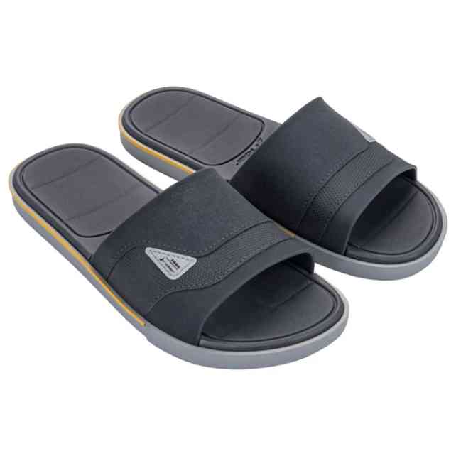 | 11795-BO745W | RIDER SPIN SLIDE AD | 1-1-2-1-1 | 6 | 5,413 Ft | 4,330 Ft | 12,990 Ft
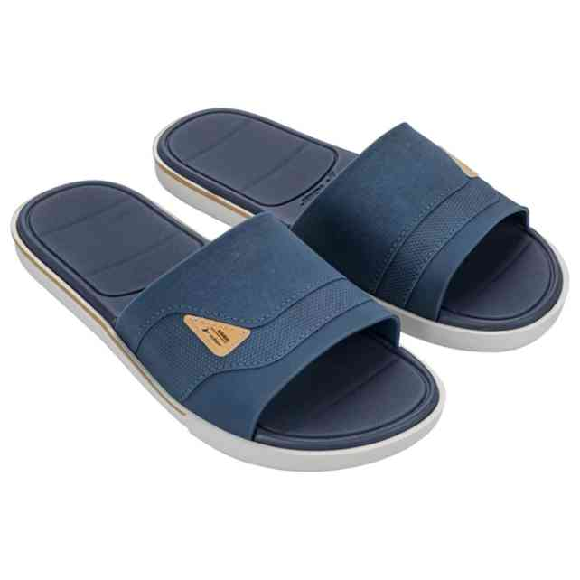 | 11795-BQ691W | RIDER SPIN SLIDE AD | 1-1-2-1-1 | 6 | 5,413 Ft | 4,330 Ft | 12,990 Ft
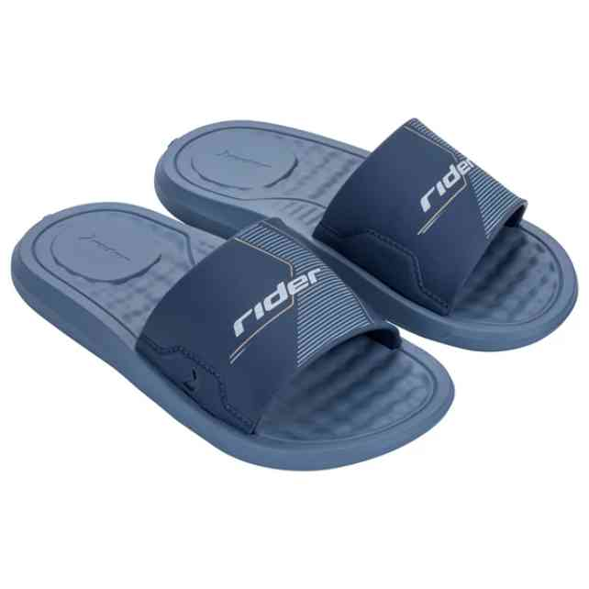 | 12223-BM120 | RIDER STEP SLIDE KID | 1-1-2-2-2-2-2 | 12 | 2,913 Ft | 2,330 Ft | 6,990 Ft
 | 12223-BM120W | RIDER STEP SLIDE KID | 1-1-1-1-1-1 | 6 | 2,913 Ft | 2,330 Ft | 6,990 Ft
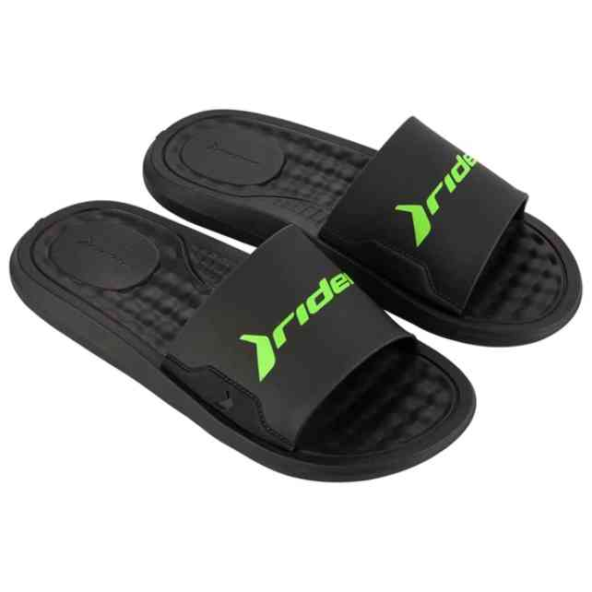 | 12265-AT243W | RIDER STEP SLIDE AD | 1-1-2-1-1 | 30 | 3,746 Ft | 2,997 Ft | 8,990 Ft
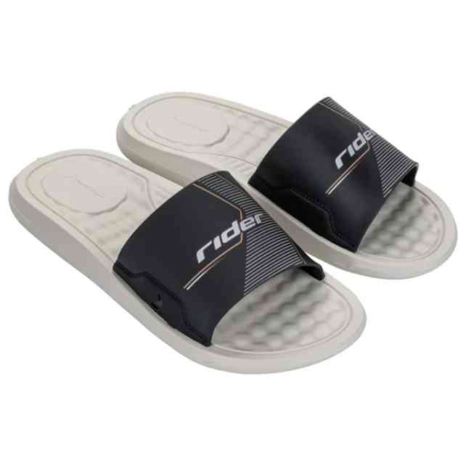 | 12265-BM093W | RIDER STEP SLIDE AD | 1-1-2-1-1 | 6 | 3,746 Ft | 2,997 Ft | 8,990 Ft
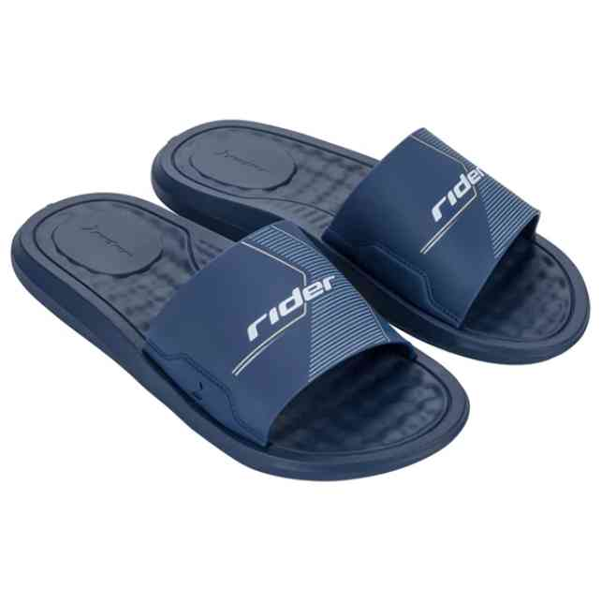 | 12265-BM100W | RIDER STEP SLIDE AD | 1-1-2-1-1 | 30 | 3,746 Ft | 2,997 Ft | 8,990 Ft
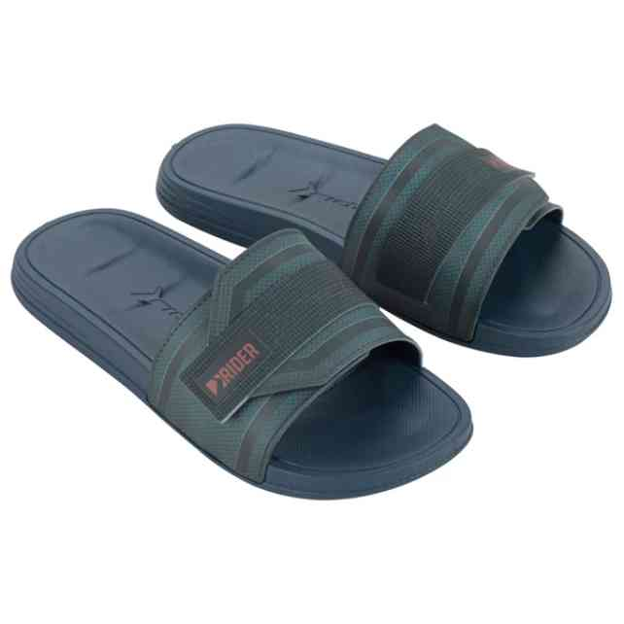 | 12394-BB533 | RIDER WALK SLIDE AD | 1-2-3-3-2-1 | 24 | 4,996 Ft | 3,997 Ft | 11,990 Ft
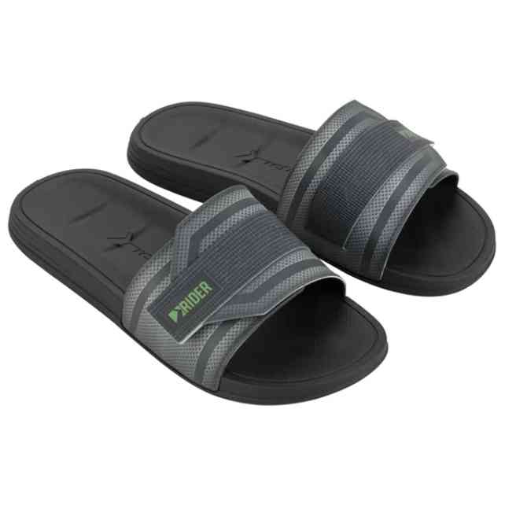 | 12394-BB536 | RIDER WALK SLIDE AD | 1-2-3-3-2-1 | 12 | 4,996 Ft | 3,997 Ft | 11,990 Ft
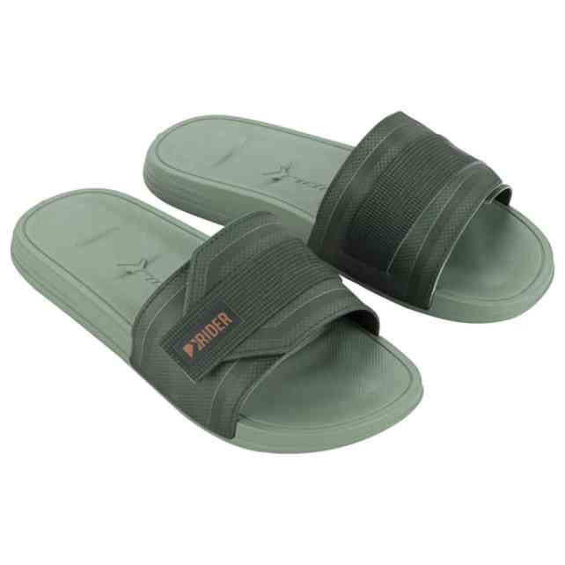 | 12394-BB538W | RIDER WALK SLIDE AD | 1-1-1-1-1-1 | 6 | 4,996 Ft | 3,997 Ft | 11,990 Ft
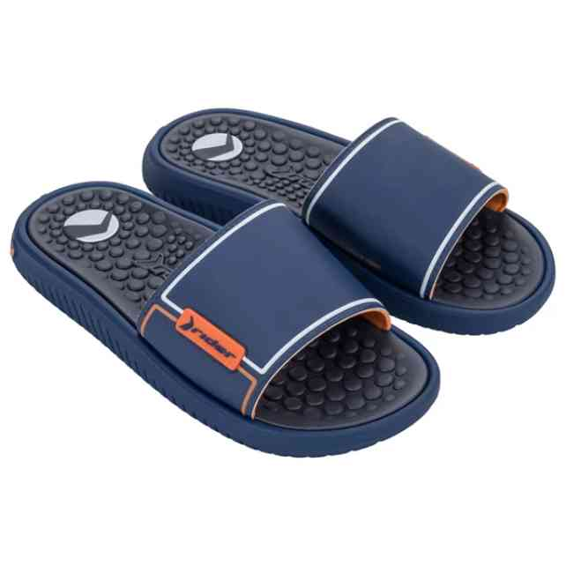 | 12424-BO155W | RIDER PUMP II SLIDE | 1-1-1-1-1-1 | 6 | 6,663 Ft | 5,330 Ft | 15,990 Ft
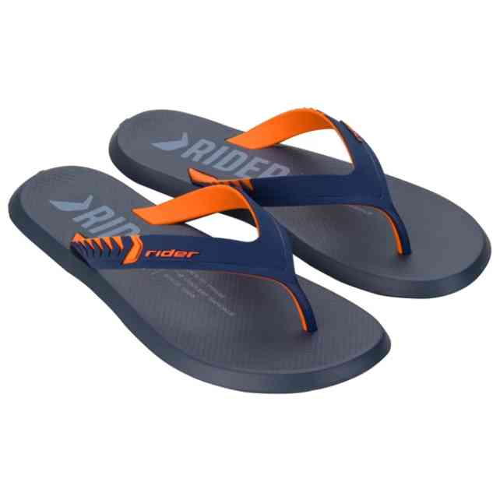 | 12438-BF023W | RIDER R1 PRIME THONG | 1-1-1-1-1-1 | 6 | 4,163 Ft | 3,330 Ft | 9,990 Ft
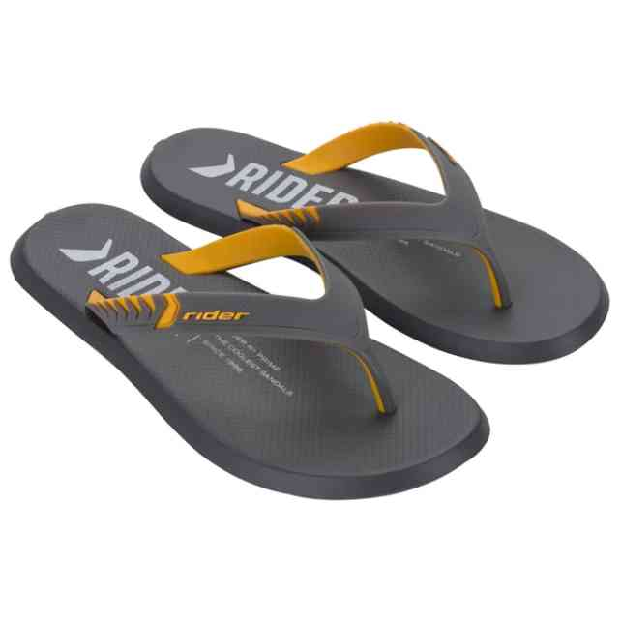 | 12438-BM576W | RIDER R1 PRIME THONG | 1-1-1-1-1-1 | 6 | 4,163 Ft | 3,330 Ft | 9,990 Ft
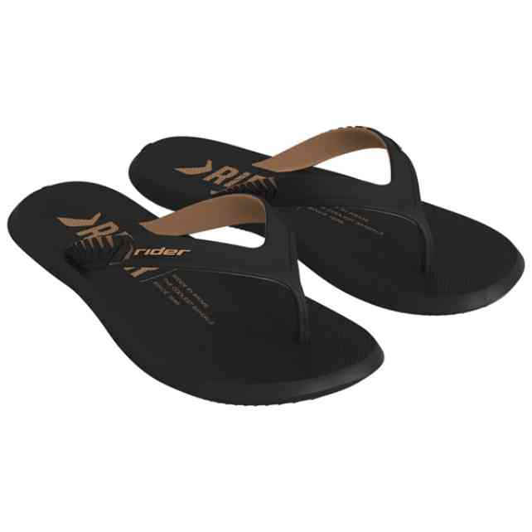 | 12438-BQ682W | RIDER R1 PRIME THONG | 1-1-1-1-1-1 | 6 | 4,163 Ft | 3,330 Ft | 9,990 Ft
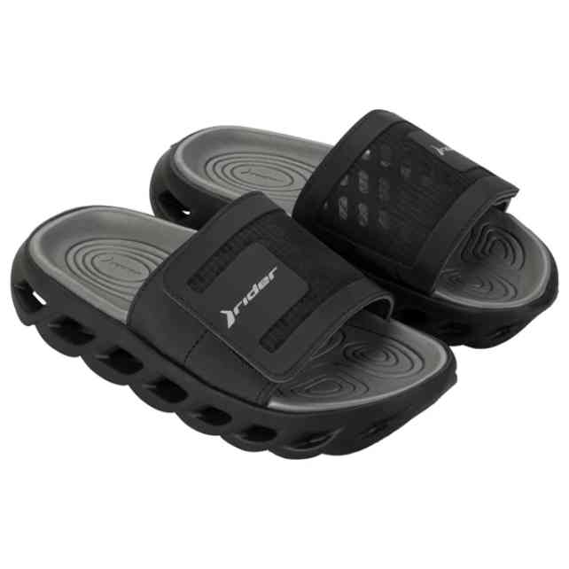 | 12444-BG999W | RIDER R POWER SLIDE | 1-1-1-1-1-1 | 24 | 11,246 Ft | 8,997 Ft | 26,990 Ft
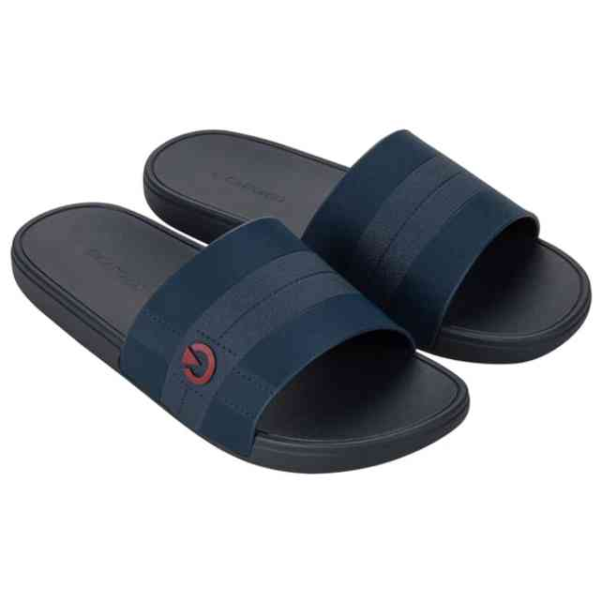 | 12479-BK104W | CARTAGO ATLANTA SLID | 1-1-1-1-1-1 | 6 | 3,746 Ft | 2,997 Ft | 8,990 Ft
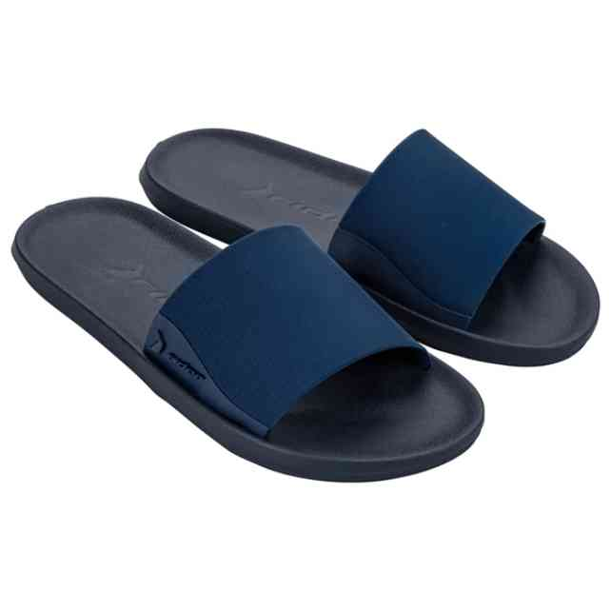 | 12491-BL083 | RIDER FEEL SLIDE AD | 2-2-3-3-2 | 36 | 2,913 Ft | 2,330 Ft | 6,990 Ft
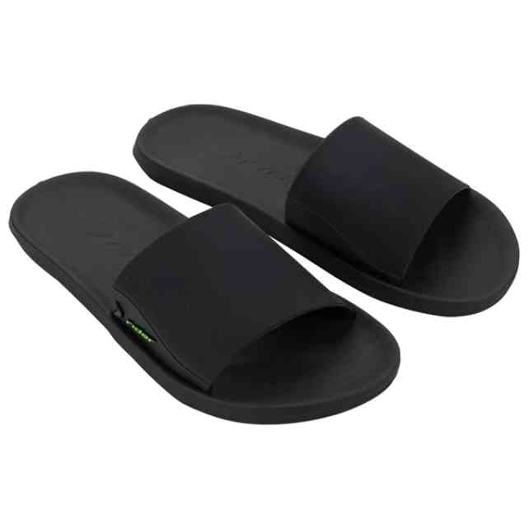 | 12491-BL084 | RIDER FEEL SLIDE AD | 2-2-3-3-2 | 12 | 2,913 Ft | 2,330 Ft | 6,990 Ft
 | 12491-BL084W | RIDER FEEL SLIDE AD | 1-1-2-1-1 | 24 | 2,913 Ft | 2,330 Ft | 6,990 Ft
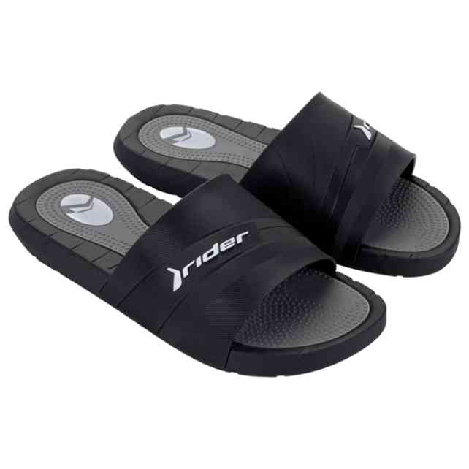 | 12511-BN357W | RIDER RUSH SLIDE AD | 1-1-1-1-1-1 | 12 | 5,413 Ft | 4,330 Ft | 12,990 Ft
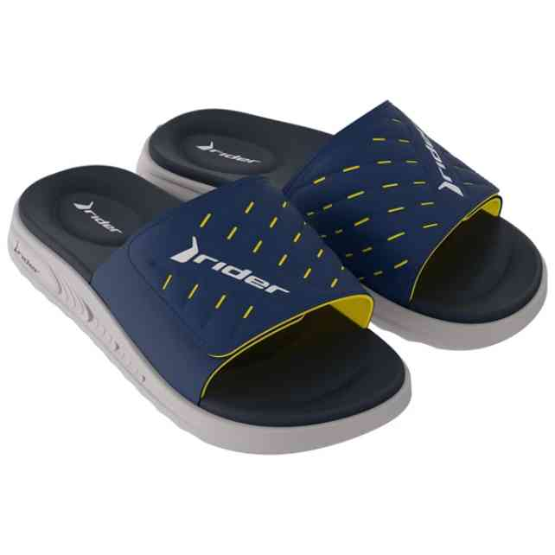 | 12529-BQ116W | RIDER R SOFT PLUS SL | 1-1-1-1-1-1 | 6 | 7,913 Ft | 6,330 Ft | 18,990 Ft
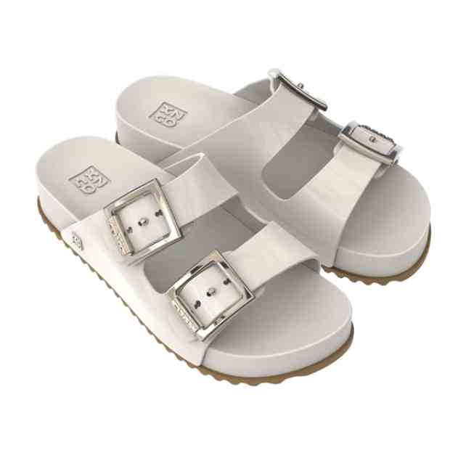 | 18063-90820 | ZAXY PARTNER III FEM | 1-2-3-4-2 | 12 | 7,079 Ft | 5,663 Ft | 16,990 Ft
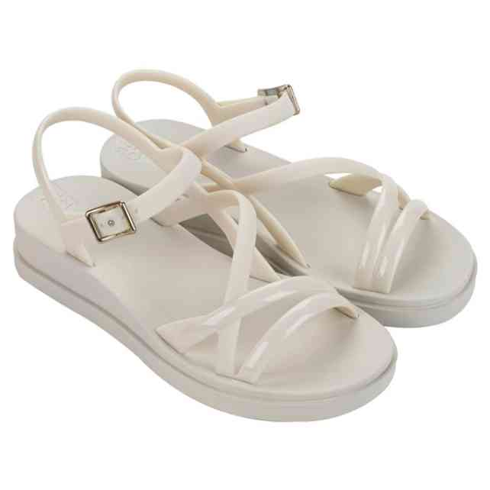 | 19165-BL379 | ZAXY CLASSY SAND AD | 1-2-3-4-2 | 12 | 5,413 Ft | 4,330 Ft | 12,990 Ft
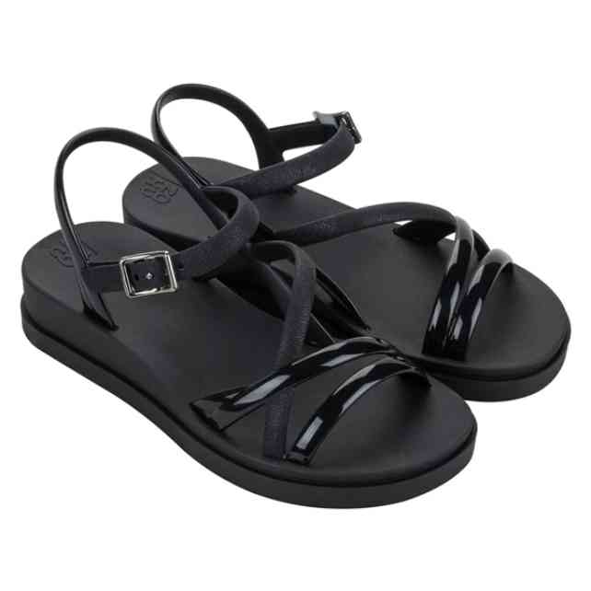 | 19165-BL381 | ZAXY CLASSY SAND AD | 1-2-3-4-2 | 12 | 5,413 Ft | 4,330 Ft | 12,990 Ft
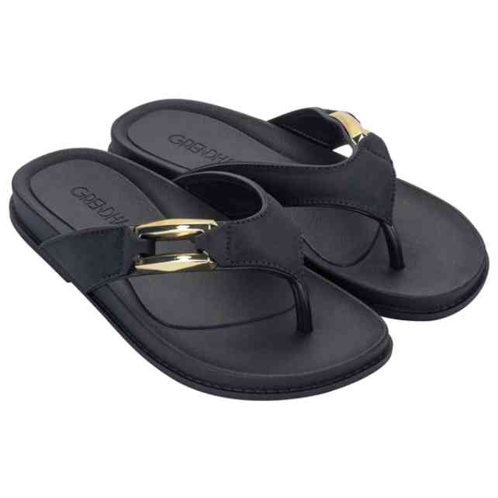 | 19202-BM608 | GRENDHA ESPLENDOR RA | 1-2-3-3-2-1 | 12 | 4,579 Ft | 3,663 Ft | 10,990 Ft
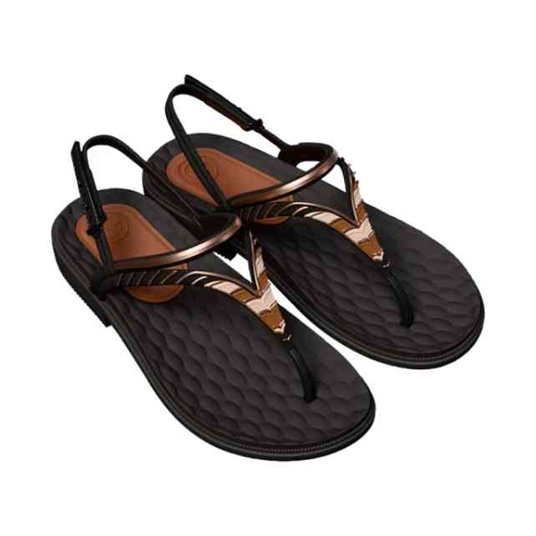 | 19251-BR128W | GRENDHA ENVOLVER SAN | 1-1-1-1-1-1 | 6 | 4,996 Ft | 3,997 Ft | 11,990 Ft
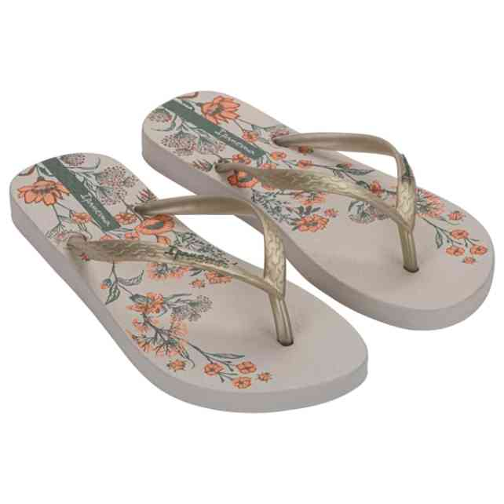 | 26571-BN430W | IPANEMA OASIS FEM | 1-2-2-1 | 6 | 2,496 Ft | 1,997 Ft | 5,990 Ft
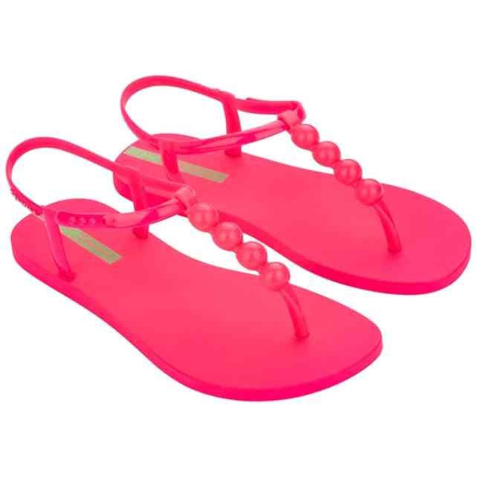 | 27017-BN148W | IPANEMA CLASS EASY O | 1-1-2-1-1 | 6 | 3,329 Ft | 2,663 Ft | 7,990 Ft
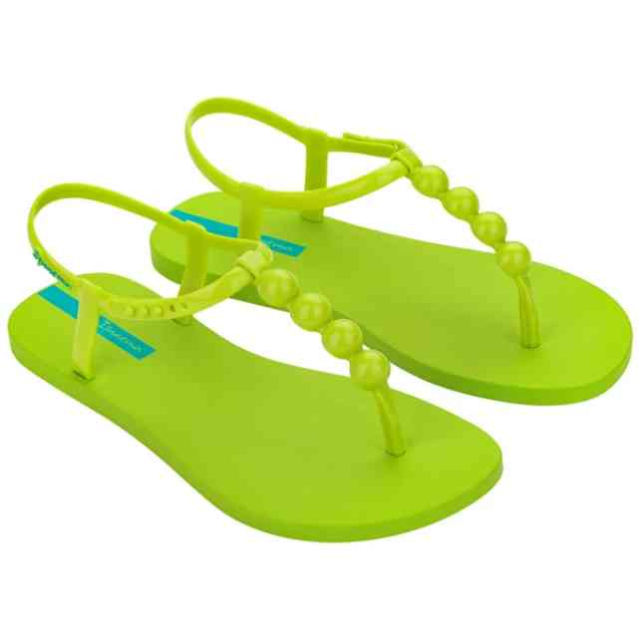 | 27017-BN153W | IPANEMA CLASS EASY O | 1-1-2-1-1 | 6 | 3,329 Ft | 2,663 Ft | 7,990 Ft
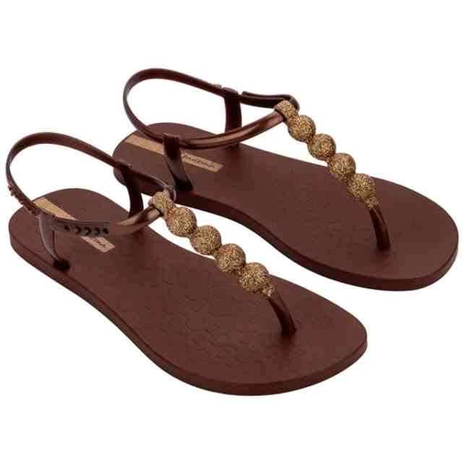 | 27299-BN199W | IPANEMA CLASS EASY O | 1-1-2-1-1 | 6 | 3,746 Ft | 2,997 Ft | 8,990 Ft
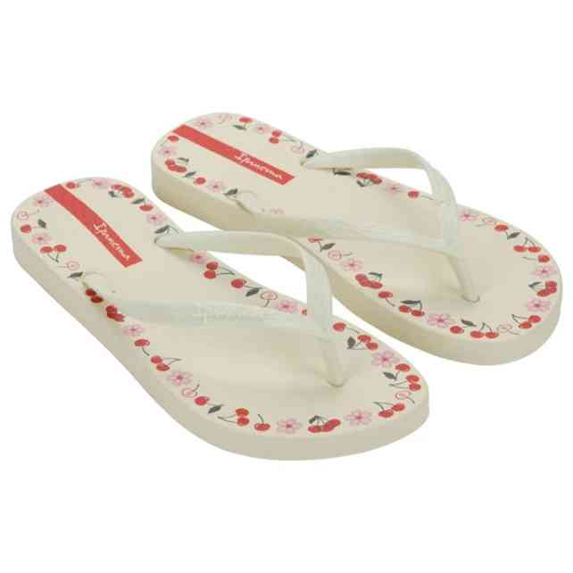 | 27321-BQ188W | IPANEMA DAY FEM | 1-2-2-1 | 6 | 2,496 Ft | 1,997 Ft | 5,990 Ft
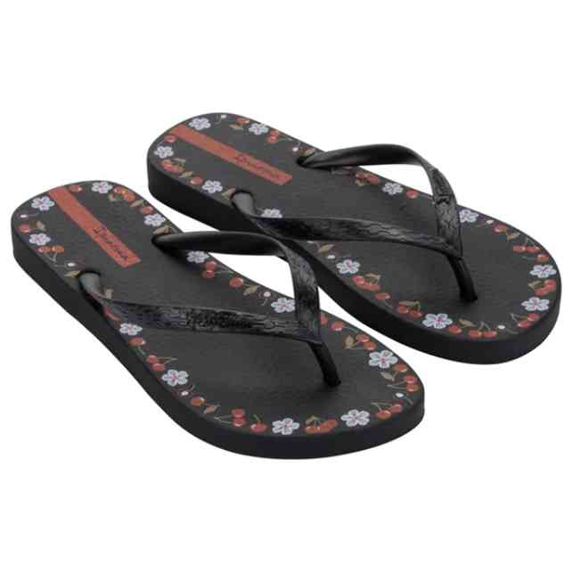 | 27321-BQ189W | IPANEMA DAY FEM | 1-2-2-1 | 6 | 2,496 Ft | 1,997 Ft | 5,990 Ft
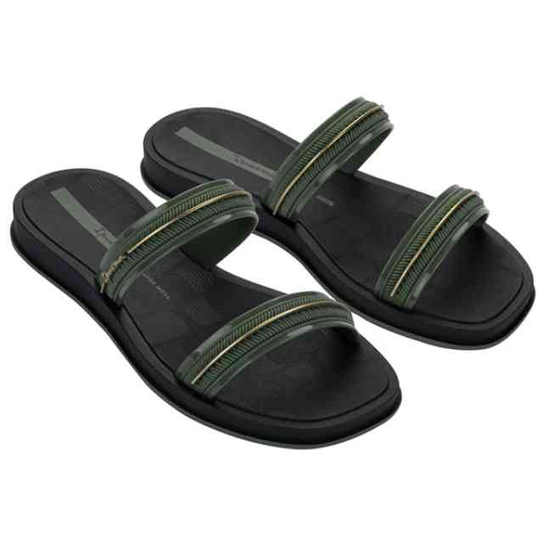 | 27400-BR774W | IPANEMA GLOW SLIDE A | 1-1-2-1-1 | 24 | 4,163 Ft | 3,330 Ft | 9,990 Ft
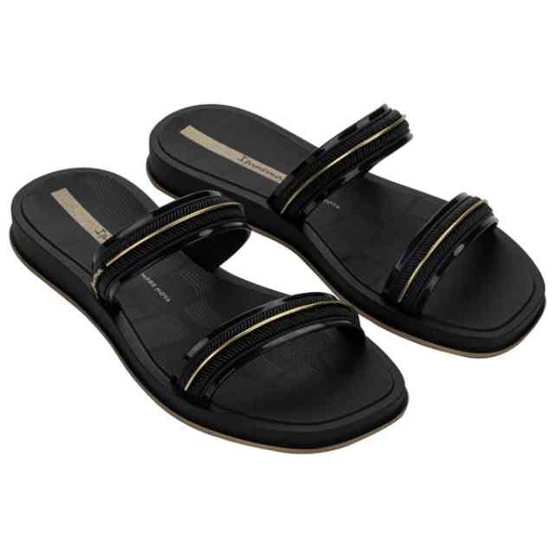 | 27400-BR775W | IPANEMA GLOW SLIDE A | 1-1-2-1-1 | 24 | 4,163 Ft | 3,330 Ft | 9,990 Ft
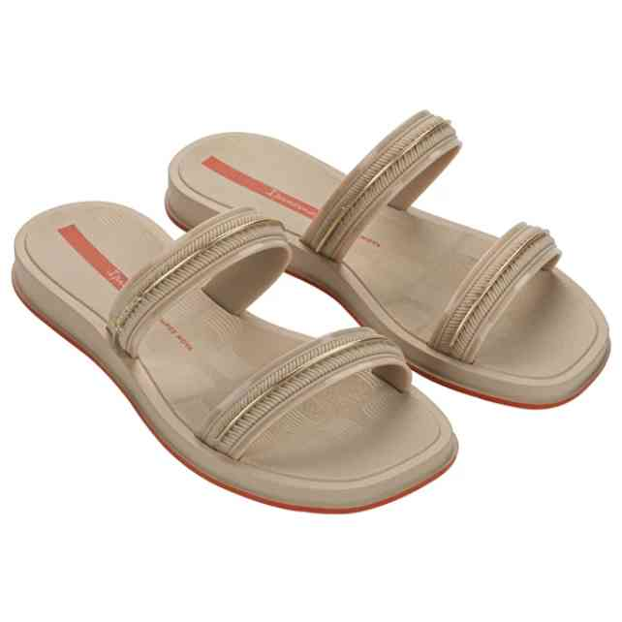 | 27400-BR777W | IPANEMA GLOW SLIDE A | 1-1-2-1-1 | 24 | 4,163 Ft | 3,330 Ft | 9,990 Ft
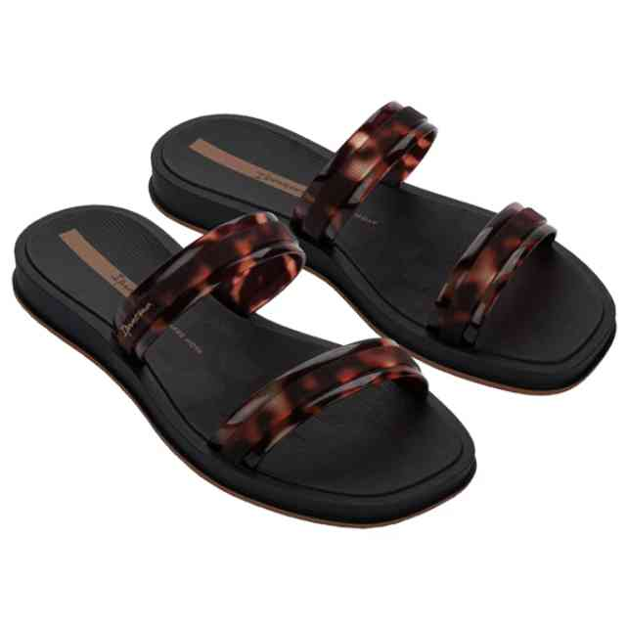 | 27421-BR850W | IPANEMA GLOW TRENDY | 1-1-2-1-1 | 24 | 4,996 Ft | 3,997 Ft | 11,990 Ft
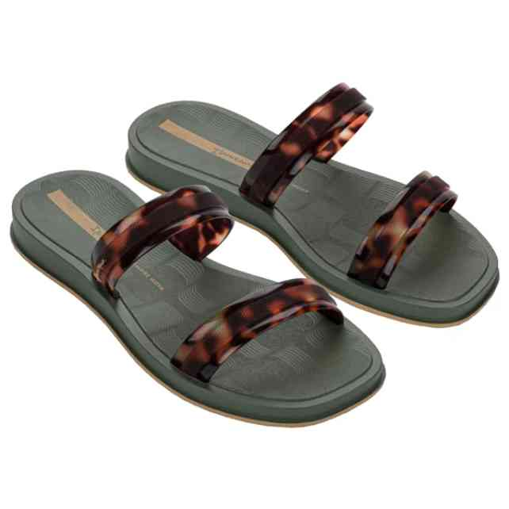 | 27421-BR852W | IPANEMA GLOW TRENDY | 1-1-2-1-1 | 24 | 4,996 Ft | 3,997 Ft | 11,990 Ft
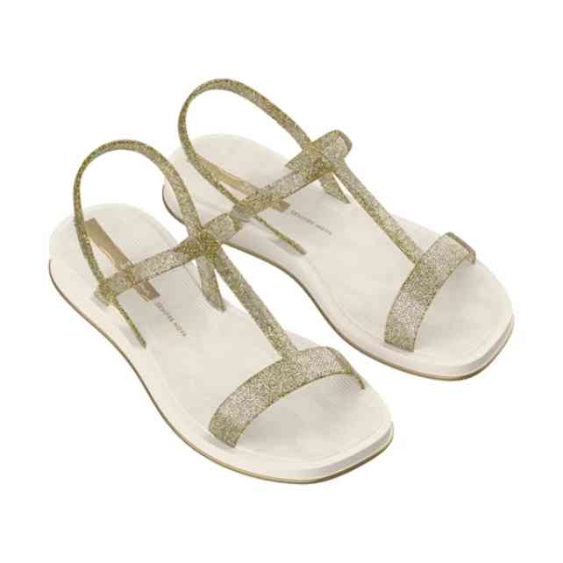 | 27423-BT701 | IPANEMA GLOW TRENDY | 2-3-3-3-1 | 36 | 5,413 Ft | 4,330 Ft | 12,990 Ft
 | 80415-22413W | IPANEMA CLAS BRASIL | 1-1-2-1-1 | 24 | 3,329 Ft | 2,663 Ft | 7,990 Ft
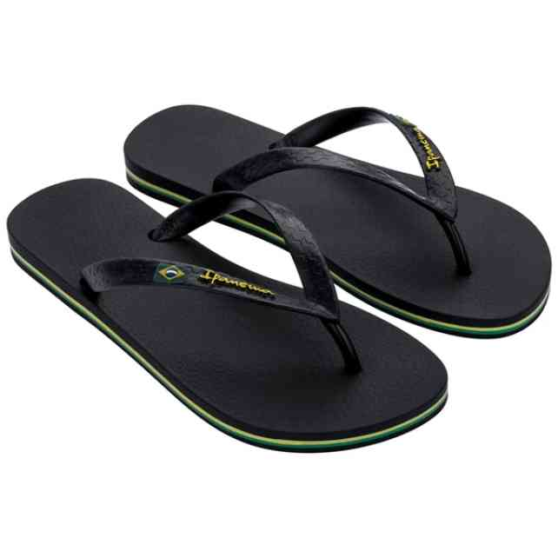 | 80415-22531W | IPANEMA CLAS BRASIL | 1-1-2-1-1 | 24 | 3,329 Ft | 2,663 Ft | 7,990 Ft
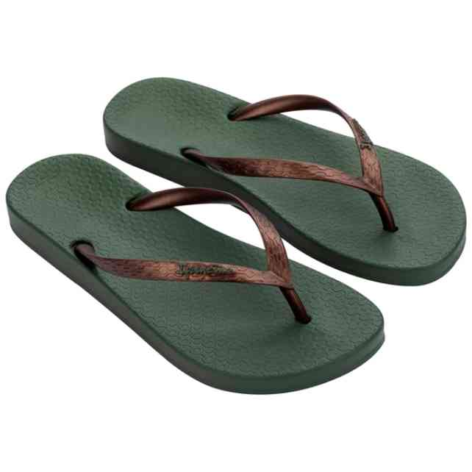 | 81030-BO356W | IPANEMA ANATOMICA TA | 1-1-2-1-1 | 6 | 2,913 Ft | 2,330 Ft | 6,990 Ft
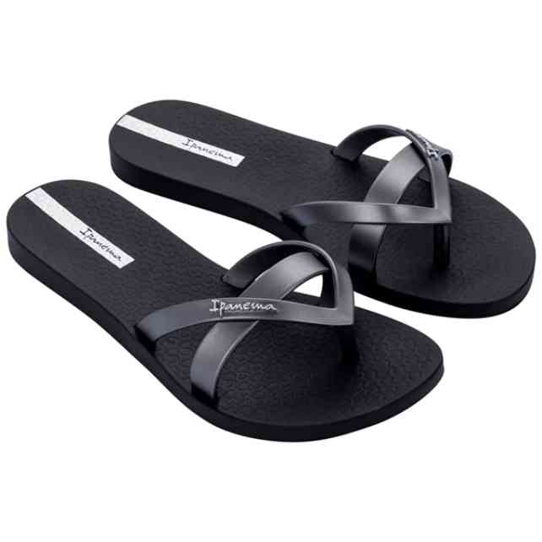 | 81805-AT157W | IPANEMA KIREI FEM | 1-1-2-1-1 | 24 | 3,329 Ft | 2,663 Ft | 7,990 Ft
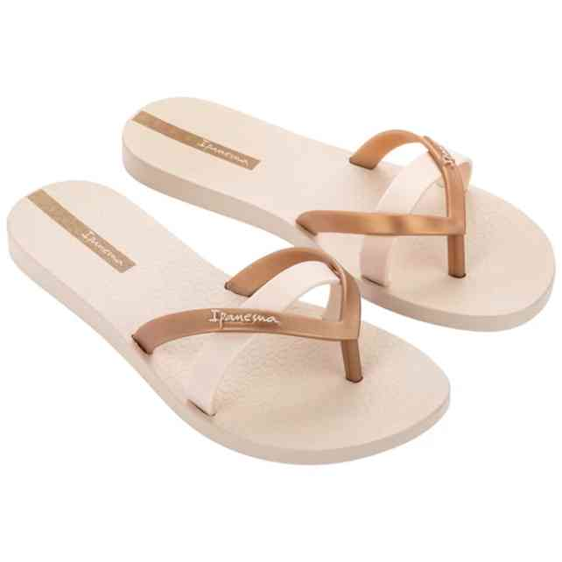 | 81805-AT158W | IPANEMA KIREI FEM | 1-1-2-1-1 | 24 | 3,329 Ft | 2,663 Ft | 7,990 Ft
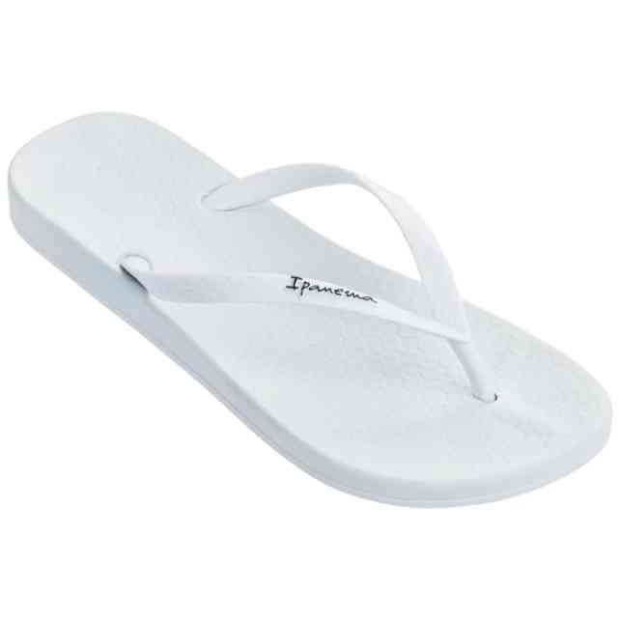 | 82591-20746 | IPANEMA ANAT COLORS | 1-3-3-3-2 | 12 | 2,913 Ft | 2,330 Ft | 6,990 Ft
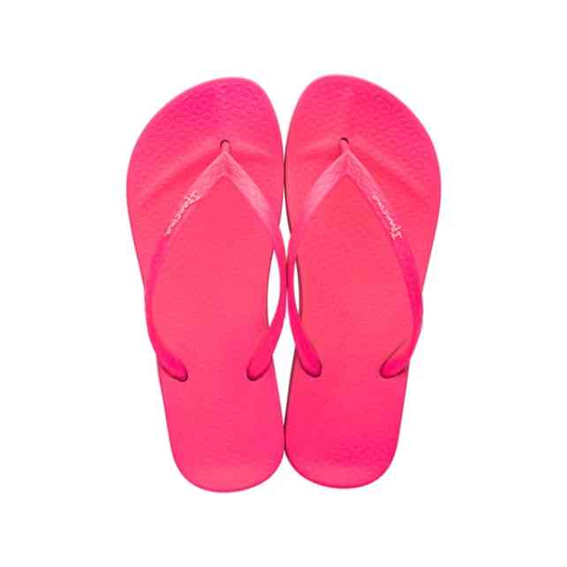 | 82591-AG368N | IPANEMA ANAT COLORS | 1-3-3-3-2 | 12 | 2,913 Ft | 2,330 Ft | 6,990 Ft
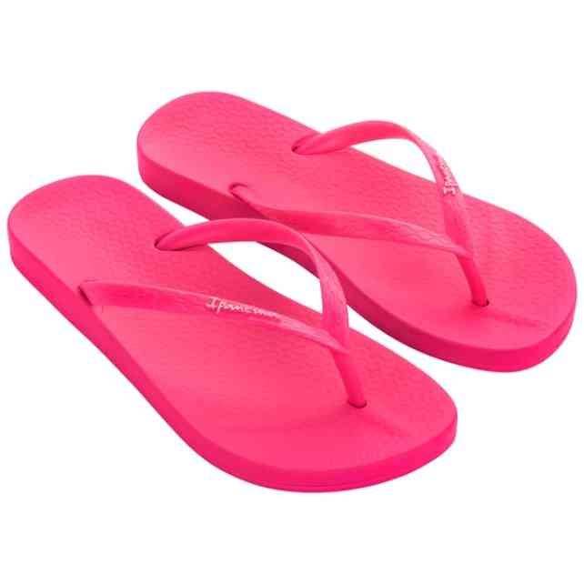 | 82591-AG368W | IPANEMA ANAT COLORS | 1-1-2-1-1 | 24 | 2,913 Ft | 2,330 Ft | 6,990 Ft
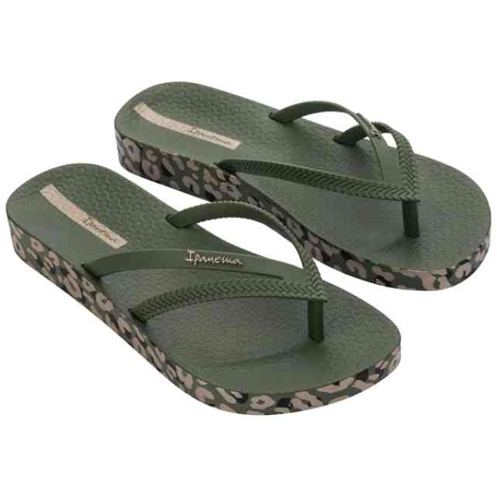 | 82840-BL508W | IPANEMA BOSSA SOFT V | 1-1-1-1-1-1 | 6 | 3,746 Ft | 2,997 Ft | 8,990 Ft
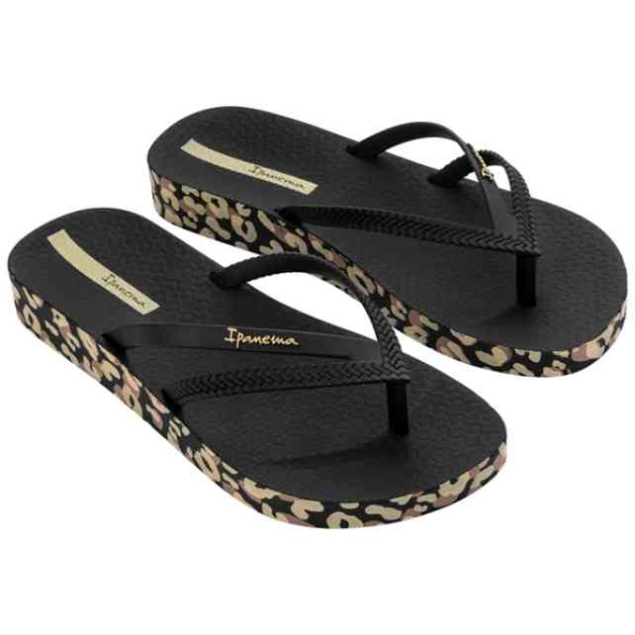 | 82840-BM635W | IPANEMA BOSSA SOFT V | 1-1-1-1-1-1 | 6 | 3,746 Ft | 2,997 Ft | 8,990 Ft
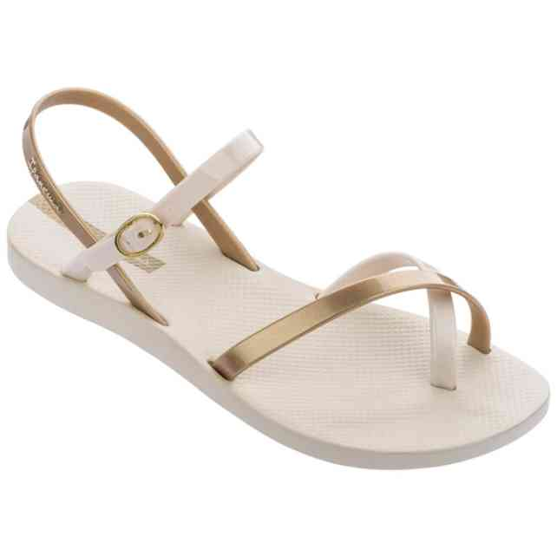 | 82842-20352 | IPANEMA FASHION SAND | 2-3-3-3-1 | 12 | 4,579 Ft | 3,663 Ft | 10,990 Ft
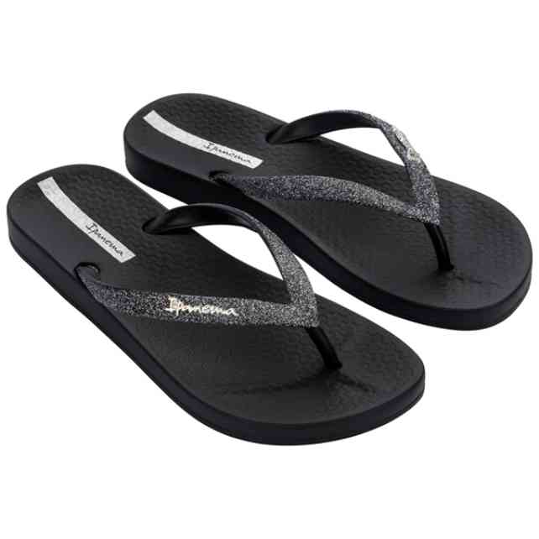 | 83140-20780W | IPANEMA ANAT LOLITA | 1-1-2-1-1 | 6 | 4,163 Ft | 3,330 Ft | 9,990 Ft
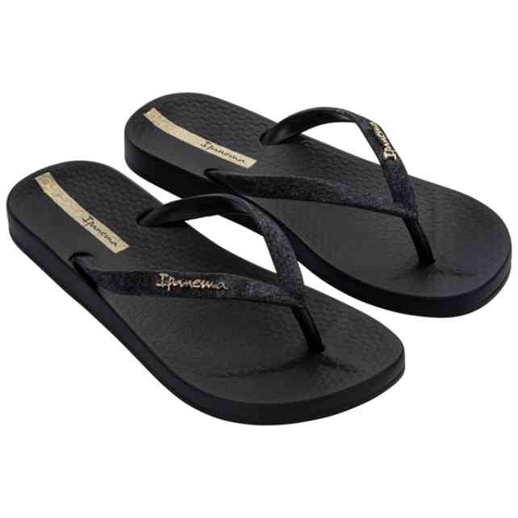 | 83140-23376W | IPANEMA ANAT LOLITA | 1-1-2-1-1 | 6 | 4,163 Ft | 3,330 Ft | 9,990 Ft
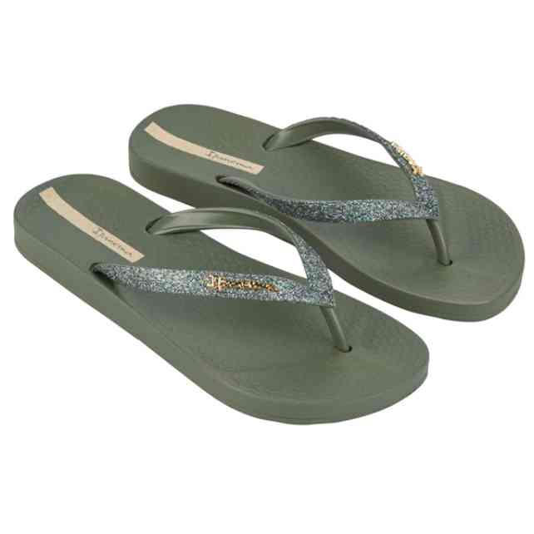 | 83140-AQ644W | IPANEMA ANAT LOLITA | 1-1-2-1-1 | 6 | 4,163 Ft | 3,330 Ft | 9,990 Ft
 | 83243-AS021W | IPANEMA RENDA II FEM | 1-1-2-1-1 | 6 | 4,163 Ft | 3,330 Ft | 9,990 Ft
 | 83243-AS026W | IPANEMA RENDA II FEM | 1-1-2-1-1 | 6 | 4,163 Ft | 3,330 Ft | 9,990 Ft
 | 83386-BD734W | IPANEMA MESH CHIC PL | 1-1-1-1-1-1 | 6 | 5,413 Ft | 4,330 Ft | 12,990 Ft
 | 83534-BN865 | IPANEMA FASHION SAND | 1-1-2-2-2-2-2 | 12 | 4,163 Ft | 3,330 Ft | 9,990 Ft
 | 83583-AS777W | IPANEMA ANAT CLASSIC | 1-1-2-1-1 | 24 | 3,746 Ft | 2,997 Ft | 8,990 Ft
 | 83583-AS781W | IPANEMA ANAT CLASSIC | 1-1-2-1-1 | 24 | 3,746 Ft | 2,997 Ft | 8,990 Ft
 | 83583-BO402W | IPANEMA ANAT CLASSIC | 1-1-2-1-1 | 12 | 3,746 Ft | 2,997 Ft | 8,990 Ft
 | 83629-BC879N | IPANEMA URBAN THONG | 1-2-3-3-2-1 | 12 | 4,163 Ft | 3,330 Ft | 9,990 Ft
 | 83632-BM434W | RIDER BAY XIV AD | 1-1-1-1-1-1 | 18 | 4,996 Ft | 3,997 Ft | 11,990 Ft
 | 83652-BC684W | IPANEMA MAXI FASHION | 1-1-1-1-1-1 | 6 | 4,996 Ft | 3,997 Ft | 11,990 Ft
 | 83673-BN982W | IPANEMA KIREI CHIC F | 1-1-2-1-1 | 6 | 3,329 Ft | 2,663 Ft | 7,990 Ft
 | 83673-BP254W | IPANEMA KIREI CHIC F | 1-1-2-1-1 | 6 | 3,329 Ft | 2,663 Ft | 7,990 Ft
 | 83749-BP362W | IPANEMA MESH X FEM | 1-1-2-1-1 | 6 | 4,163 Ft | 3,330 Ft | 9,990 Ft
 | 83750-BP367W | IPANEMA MESH XI PLAT | 1-1-1-1-1-1 | 6 | 4,996 Ft | 3,997 Ft | 11,990 Ft
 | 83750-BP371W | IPANEMA MESH XI PLAT | 1-1-1-1-1-1 | 6 | 4,996 Ft | 3,997 Ft | 11,990 Ft
 | 83751-BP394W | IPANEMA MESH SLIDE I | 1-1-2-1-1 | 6 | 4,579 Ft | 3,663 Ft | 10,990 Ft
 | 83769-BN726 | IPANEMA CLASS DREAMY | 1-2-3-4-2 | 12 | 5,829 Ft | 4,663 Ft | 13,990 Ft
 | 83772-BP090W | IPANEMA FESTA FEM | 1-1-2-1-1 | 6 | 5,413 Ft | 4,330 Ft | 12,990 Ft
 | 83777-BP053 | IPANEMA SPORTY AD | 1-2-3-3-2-1 | 12 | 4,163 Ft | 3,330 Ft | 9,990 Ft
 | 83777-BP054W | IPANEMA SPORTY AD | 1-1-1-1-1-1 | 6 | 4,163 Ft | 3,330 Ft | 9,990 Ft
 | 83777-BP055W | IPANEMA SPORTY AD | 1-1-1-1-1-1 | 6 | 4,163 Ft | 3,330 Ft | 9,990 Ft
 | 83781-BP290 | IPANEMA SHORE SLIDE | 1-2-3-4-2 | 12 | 6,663 Ft | 5,330 Ft | 15,990 Ft
 | 83781-BP297 | IPANEMA SHORE SLIDE | 1-2-3-4-2 | 12 | 6,663 Ft | 5,330 Ft | 15,990 Ft
 | 83782-BN814 | IPANEMA ELEGANT SAND | 1-2-3-4-2 | 12 | 4,996 Ft | 3,997 Ft | 11,990 Ft
 | 83795-BN580W | RIDER DIP FEM | 1-1-1-2-1 | 6 | 4,996 Ft | 3,997 Ft | 11,990 Ft
 | 83797-BN558 | RIDER FLOAT FEM | 2-2-3-3-2 | 24 | 5,829 Ft | 4,663 Ft | 13,990 Ft
 | 83797-BN562 | RIDER FLOAT FEM | 2-2-3-3-2 | 12 | 5,829 Ft | 4,663 Ft | 13,990 Ft
 | 83799-BN572 | RIDER FLOW FEM | 2-2-3-3-2 | 12 | 5,413 Ft | 4,330 Ft | 12,990 Ft
 | 83863-BO891W | RIDER FULL 86 II FEM | 1-2-2-1 | 6 | 4,163 Ft | 3,330 Ft | 9,990 Ft
 | 83863-BO893W | RIDER FULL 86 II FEM | 1-2-2-1 | 6 | 4,163 Ft | 3,330 Ft | 9,990 Ft
 | 83863-BO895W | RIDER FULL 86 II FEM | 1-2-2-1 | 6 | 4,163 Ft | 3,330 Ft | 9,990 Ft
 | GPM6133050040 | GAP NASHVILLE ARCH L | 1-2-2-2-1-1 | 9 | 9,166 Ft | 7,333 Ft | 21,999 Ft

